Christian Anthropology
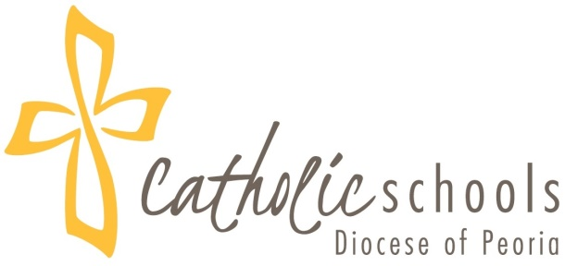
Pflaum Gospel Weeklies Faith Formation Program What the Church Believes and Teaches Grade 4 - VENTURE
December 2018
DOMAIN | GUIDING QUESTIONS | LEARNING OUTCOMES | VOCABULARY | REFERENCES
Christian Anthropology | Is Man made in the image and likeness of God? | Students will learn that Man is made in the image and likeness of God. p9; ActBk 3, TC 7 | Image
 | Who am I? | Students will understand they are creatures made with body and soul in the image and likeness of God. p9; ActBk 3; TC 7
 | Why was I created? | Students will learn that God created them so that they may be with him in heaven. p13; ActBk 12
 | What was I created for? | Students will learn that God created them to know, love and serve him. p6; TC 6
 | Who are we and how are we different from the animals? | Students will learn they are made in the image and likeness of God and they have a soul unlike animals. p6,9; TC 7

